Instructions
INSTRUCTIONS:

AFTER ONE SALE:
After scan any product, and finalizes the transaction at Moneris. Follow these steps:

>Finish Transaction >Send to Daily Sales > Wait the script run > Confirm the prompt

1: |  | 2:

3: |  | 4:

IF CLICK OR DID SOMETHING WRONG:

If you want to come back before clicking something or something went wrong:
You can CTRL + Z to return the last change made it!

HOW TO ADD A BERGO BAG:

If a customer wants a Bergo Bag (for 1 dollar). Follow these steps:

>Finish Transaction > Add a Bergo Bag > Wait the script run

1: |  | 2:

If the customer wants another bag, click in the button again.
Don't add or change the quantity!

"FINISH TRANSACTION" BUTTON ISN'T APPEARING:
If the button 'Finish Trasction' isn't appearing, follow these steps:

Click in 'Extensions' > Apps Scipt > See if any unsaved changes and click in Save (should be working after this step) > (If not) Click in 'Run"

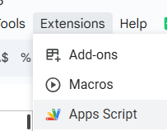
1: | 2: |  | 3 and 4:

"FINISH TRASACTION" SCRIPT ISN'T WORKING:
Sometimes during the rush, the script couldn't work properly.

In this case, see and make sure the sheets aren't rename by mistake. They should be named like:
>Individual Sales
>Daily Sales
The capital letters and spelling should be equal to this.

Try to refresh the page, after this, it should be working.

FIRST TRANSACTION APPEARED "AUTHORIZATION REQUIRED':
If it's the first transactoin of the day, you could see this prompt. Just click 'OK' and "Allow" to authorize the script to run.
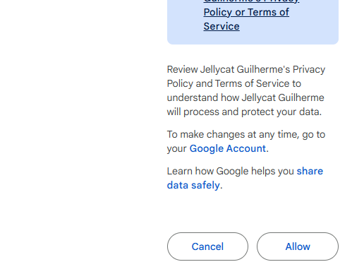

The script should be working after that!

PRICE FROM STICKER AND SPREADSHEET AREN'T MATCHING:
Always cover the price that the customer saw it, in this case, the sticker.
>Just change manually the price at Daily Sales

Also, let Brayden or any manager at the day know about the price difference. So, they can change when possible.

ANY OTHER ISSUE, LET THE MANAGER KNOW
If face any other issues, like some examples here, don't hesitate to contact the manager:

>!REF error: something is wrong with the formula.
>N/A error: the sku doesn't have a matching description and/or price

